Contract
SALES CONTRACT

 |  |  |  |  | DATE: | 17/06/2025
 |  |  |  | CONTRACT NO.: |  | JFNO
The Seller: | CALIFOR UPHOLSTERY MATERIALS CO.,LTD.
 | XIN BAVET SEZ, Road No. 316A, Trapeang Bon and Prey Kokir Villages, Prey Kokir Commune, Chantrea District,
 | Svay Rieng Province, Kingdom of Cambodia.
TEL: | +855 975910636
The Buyer: | MOTO INNOVATION VIETNAM LIMITED COMPANY
 | Factory C-1B-B1-B and C-1B-B2, Lot C-1B-CN, DE4 Street, My Phuoc 3 Industrial Park, Thoi Hoa Ward, Ben Cat City, Binh Duong Province, Vietnam
 | Contact Person : ZHENGYANYUN Tel: 0274 3803833
After discussion, the both parties agree to sell and purchase the commodities on the following terms and conditions:
1.NAME OF COMMODITY AND SPECIFICATION:
The seller guaranteed the correct color delivery, Commodity, Dimension and quantity as follow:
No. | P.O. Nº | Name of Cormodity | Description | Quantity (SF) | Unit Price (USD) | Total value (USD)
1 | 9000675121 | 01.10.U243040 | LEATHER | 19,386.9000 | 1.0500
2 | 9000675121 | 01.10.U243040 |  | 949.9000 | 0.9500
3 | 9000675121 | 01.10.U243040 |  | 726.8000 | 0.8900
4 | 9000637258 | 01.10.L2007-K |  | 6,663.1000 | 0.8600
5 | 9000637258 | 01.10.L2007-K |  | 27.5000 | 0.7700
6 | 9000713331 | 01.10.U756043 |  | 15,048.6000 | 1.2500
7 | 9000711428 | 01.10.U528073 |  | 8,118.0000 | 1.2500
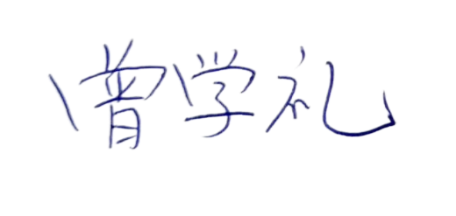
8 | 9000711428 | 01.10.U528073 |  | 363.6000 | 1.1300
9 | 9000713316 | 01.10.U528073 |  | 103,915.1000 | 1.2500
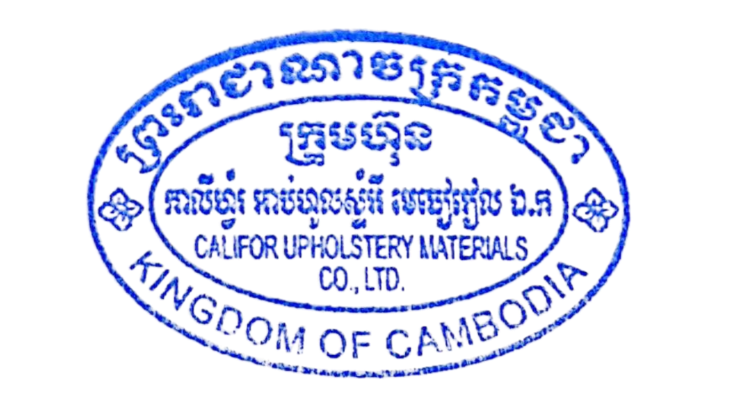
10 | 9000713316 | 01.10.U528073 |  | 517.2000 | 1.1300
11 | 9000713316 | 01.10.U528073 |  | 100.7000 | 1.0600
TOTAL:
DAP: | BINH DUONG
Term of Payment: 100% TT after shipment
Transaction method: DAP(USD)
Beneficiary bank information: |  |  |  | CALIFOR UPHOLSTERY MATERIALS CO.,LTD.
Beneficiary Bank' s Name: |  |  |  | BANK OF CHINA(HONG KONG)LIMITED PHNOM PENH BRANCH /BANK OF CHINA PHNOM PENH BRANCH
Bank Address: |  |  |  | 1st AND 2nd FLOOR,CANADIA TOWER,No.315 ANDDUONG ST.,PHNOM PEMH,CAMBODIA.
Bank account : |  |  |  | 100001100764430
SWIFT CODE ： |  |  |  | BKCHKHPPXXX

 | The Buyer: |  |  |  | The Seller:
MOTO INNOVATION VIETNAM LIMITED COMPANY |  |  |  | CALIFOR UPHOLSTERY MATERIALS CO.,LTD.

